SEIA
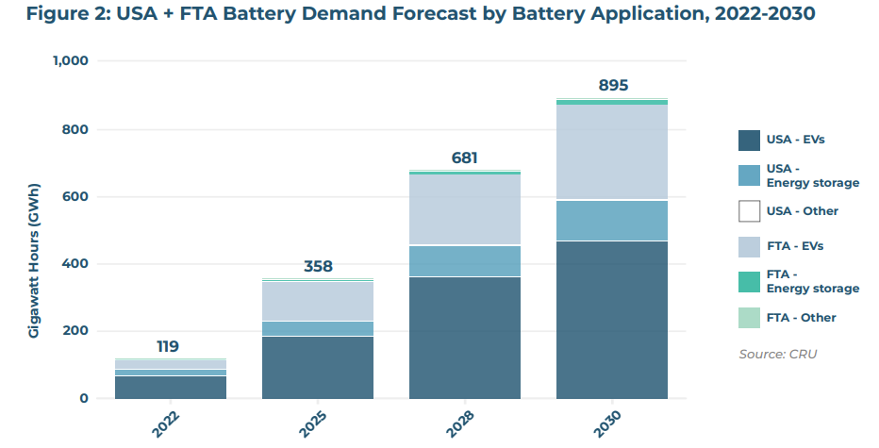
US demand for BESS
2022 | 18 | GWh
2030 | 119 | GWh

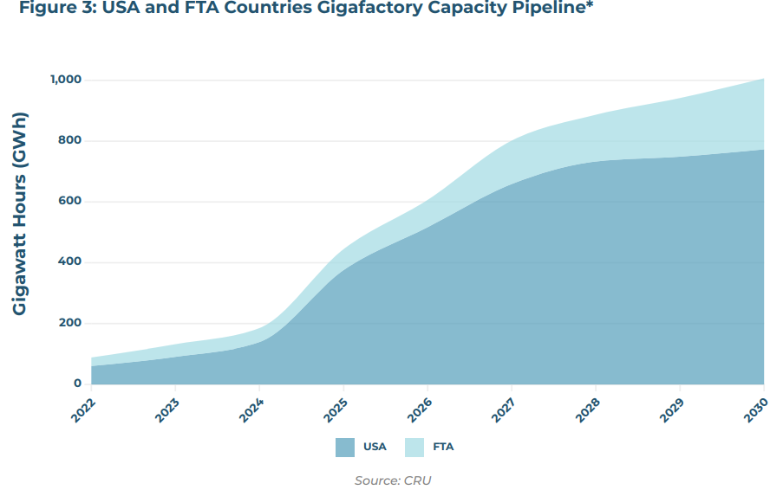
US manufacturing capacity for for battery cells
2022 | 60 | GWh
2030 | 773 | GWh | (pulled from image)

Share of capacity dedicated to non-automotive applications (primarily BESS)
2030 | 13%
* assumes the same ratio of unannounced applications will be BESS as announced applications

Approximate US manufacturing capacity for BESS
2030 | 103 | GWh

Share of US BESS demand that can be met with domestic manufacturing
2030 | 87%

Argonne
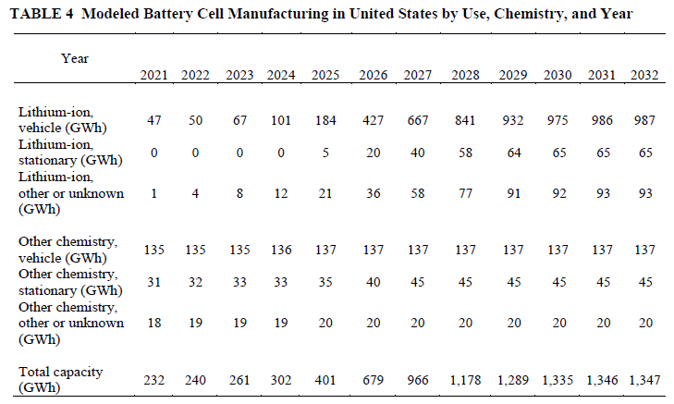

 |  |  | Manufacturing capacity
 |  |  | 2022 | 32
 |  |  | 2030 | 110

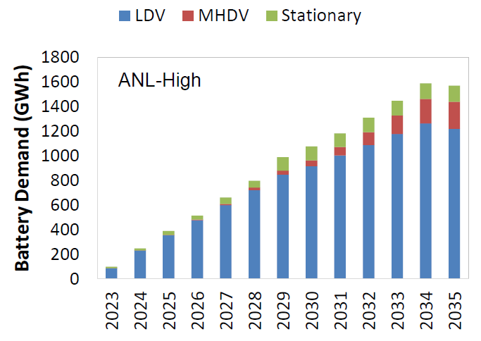
Demand
2022 | 13.5 | GWh
2030 | 115 | GWh

Share of US BESS demand that can be met with domestic manufacturing
2030 | 96%

S&P
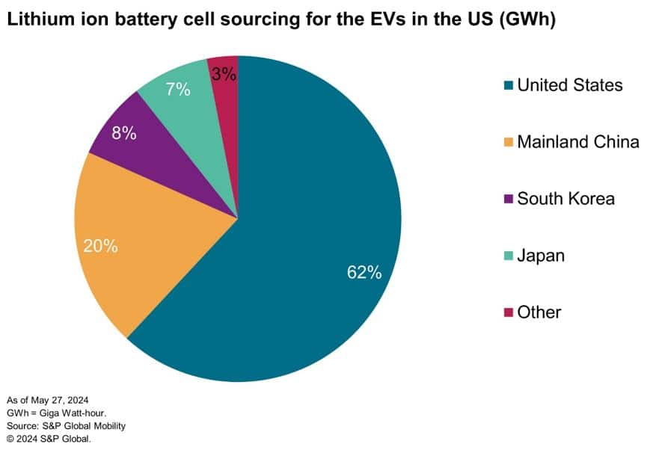

https://www.spglobal.com/mobility/en/research-analysis/briefcase-the-game-of-tariffs-ev-battery-imports.html

Current share of EV battery sourcing
62%

